Job Details

Job Number & Name: | 35307 LB Bexley
Site Number/Name: | Site 24 - Woolwich Road
Client: | Waterman
Date: | 2023-04-27

Site Plan
Advanced Transport Research |  |  | Job Number & Name: | 35307 LB Bexley
Site 24 - Woolwich Road |  |  | Date: | 2023-04-27

Job Type: | Pedestrian & Vehicle Count
Co-ordinates: | 51°27'33.80"N, 0° 8'46.76"E | Postcode: | DA7 4HS |  | Times: | 0730-0930 1430-1630

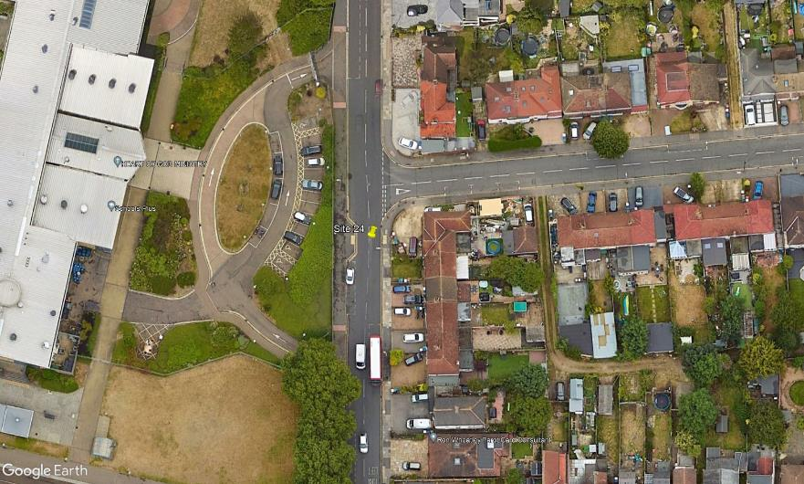
N
2
1

B

A

Pelham Road

C

D

3

Woolwich Road

